Daily Power Station Chart_14-01
Plant_19/01/2025Chart

Plant:odco1 |  |  | Installed Capacity:111.180kWp
Today Yield(kWh):241.100kWh |  | Today Earning:96440.000TND |  | Today Full Load Hours(h):2.17h

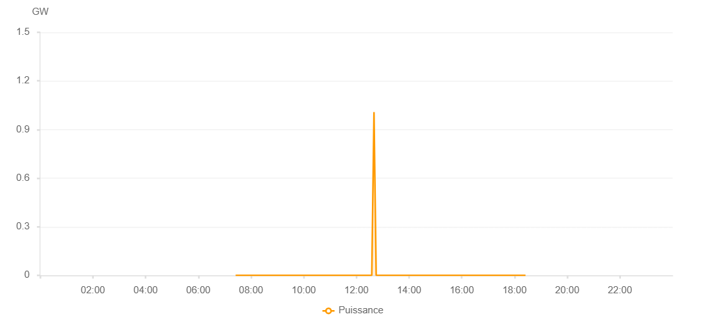

Number | Time | Working State | PV(W) | Instantaneous Radiation(W/㎡)
1 | 07:25:00 | Online | 20.00000 | 0
2 | 07:30:00 | Online | 250.00000 | 0
3 | 07:35:00 | Online | 280.00000 | 0
4 | 07:40:00 | Online | 390.00000 | 1.00000
5 | 07:45:00 | Online | 590.00000 | 4.00000
6 | 07:50:00 | Online | 880.00000 | 9.00000
7 | 07:55:00 | Online | 1550.00000 | 17.00000
8 | 08:00:00 | Online | 3200.00000 | 24.00000
9 | 08:05:00 | Online | 3650.00000 | 29.00000
10 | 08:10:00 | Online | 5760.00000 | 37.00000
11 | 08:15:00 | Online | 6930.00000 | 57.00000
12 | 08:20:00 | Online | 7000.00000 | 67.00000
13 | 08:25:00 | Online | 12590.00000 | 72.00000
14 | 08:30:00 | Online | 22950.00000 | 217.00000
15 | 08:35:00 | Online | 35320.00000 | 342.00000
16 | 08:40:00 | Online | 36850.00000 | 373.00000
17 | 08:45:00 | Online | 38480.00000 | 397.00000
18 | 08:50:00 | Online | 46500.00000 | 425.00000
19 | 08:55:00 | Online | 47990.00000 | 461.00000
20 | 09:00:00 | Online | 50260.00000 | 479.00000
21 | 09:05:00 | Online | 51920.00000 | 502.00000
22 | 09:10:00 | Online | 55080.00000 | 504.00000
23 | 09:15:00 | Online | 59970.00000 | 540.00000
24 | 09:20:00 | Online | 60870.00000 | 583.00000
25 | 09:25:00 | Online | 61910.00000 | 587.00000
26 | 09:30:00 | Online | 64710.00000 | 603.00000
27 | 09:35:00 | Online | 64720.00000 | 635.00000
28 | 09:40:00 | Online | 59940.00000 | 325.00000
29 | 09:45:00 | Online | 69760.00000 | 570.00000
30 | 09:50:00 | Online | 73330.00000 | 576.00000
31 | 09:55:00 | Online | 74730.00000 | 395.00000
32 | 10:00:00 | Online | 58050.00000 | 585.00000
33 | 10:05:00 | Online | 40810.00000 | 579.00000
34 | 10:10:00 | Online | 30690.00000 | 346.00000
35 | 10:15:00 | Online | 31130.00000 | 271.00000
36 | 10:20:00 | Online | 28760.00000 | 270.00000
37 | 10:25:00 | Online | 21880.00000 | 206.00000
38 | 10:30:00 | Online | 19540.00000 | 178.00000
39 | 10:35:00 | Online | 18590.00000 | 166.00000
40 | 10:40:00 | Online | 17820.00000 | 154.00000
41 | 10:45:00 | Online | 13150.00000 | 125.00000
42 | 10:50:00 | Online | 13480.00000 | 106.00000
43 | 10:55:00 | Online | 14730.00000 | 123.00000
44 | 11:00:00 | Online | 20040.00000 | 147.00000
45 | 11:05:00 | Online | 28390.00000 | 195.00000
46 | 11:10:00 | Online | 28830.00000 | 314.00000
47 | 11:15:00 | Online | 49040.00000 | 227.00000
48 | 11:20:00 | Online | 60580.00000 | 480.00000
49 | 11:25:00 | Online | 58430.00000 | 460.00000
50 | 11:30:00 | Online | 56710.00000 | 506.00000
51 | 11:35:00 | Online | 56710.00000 | 499.00000
52 | 11:40:00 | Fault | 27490.00000 | 499.00000
53 | 11:55:00 | Fault | 27110.00000 | 499.00000
54 | 12:00:00 | Online | 26290.00000 | 497.00000
55 | 12:05:00 | Online | 64250.00000 | 520.00000
56 | 12:10:00 | Online | 54220.00000 | 558.00000
57 | 12:15:00 | Online | 64350.00000 | 471.00000
58 | 12:20:00 | Online | 54760.00000 | 449.00000
59 | 12:25:00 | Online | 71910.00000 | 511.00000
60 | 12:30:00 | Online | 58740.00000 | 618.00000
61 | 12:35:00 | Online | 39620.00000 | 401.00000
62 | 12:40:00 | Online | 1007646418.00000 | 286.00000
63 | 12:45:00 | Online | 25340.00000 | 237.00000
64 | 12:50:00 | Online | 21720.00000 | 204.00000
65 | 12:55:00 | Online | 18950.00000 | 169.00000
66 | 13:00:00 | Online | 12810.00000 | 132.00000
67 | 13:05:00 | Online | 9610.00000 | 106.00000
68 | 13:10:00 | Online | 8940.00000 | 81.00000
69 | 13:15:00 | Online | 12840.00000 | 79.00000
70 | 13:20:00 | Online | 21100.00000 | 117.00000
71 | 13:25:00 | Online | 38130.00000 | 274.00000
72 | 13:30:00 | Online | 33070.00000 | 365.00000
73 | 13:35:00 | Online | 24850.00000 | 321.00000
74 | 13:40:00 | Online | 17100.00000 | 202.00000
75 | 13:45:00 | Online | 18190.00000 | 137.00000
76 | 13:50:00 | Online | 22820.00000 | 172.00000
77 | 13:55:00 | Online | 20040.00000 | 203.00000
78 | 14:00:00 | Online | 12680.00000 | 139.00000
79 | 14:05:00 | Online | 10210.00000 | 86.00000
80 | 14:10:00 | Online | 5480.00000 | 58.00000
81 | 14:15:00 | Online | 5060.00000 | 40.00000
82 | 14:20:00 | Online | 5360.00000 | 42.00000
83 | 14:25:00 | Online | 8700.00000 | 54.00000
84 | 14:30:00 | Online | 18190.00000 | 120.00000
85 | 14:35:00 | Online | 19990.00000 | 157.00000
86 | 14:40:00 | Online | 17280.00000 | 156.00000
87 | 14:45:00 | Online | 17570.00000 | 128.00000
88 | 14:50:00 | Online | 37220.00000 | 154.00000
89 | 14:55:00 | Online | 29500.00000 | 619.00000
90 | 15:00:00 | Online | 19100.00000 | 243.00000
91 | 15:05:00 | Online | 9460.00000 | 138.00000
92 | 15:10:00 | Online | 8810.00000 | 77.00000
93 | 15:15:00 | Online | 10140.00000 | 85.00000
94 | 15:20:00 | Online | 7760.00000 | 80.00000
95 | 15:25:00 | Online | 8650.00000 | 66.00000
96 | 15:30:00 | Online | 15750.00000 | 91.00000
97 | 15:35:00 | Online | 41770.00000 | 170.00000
98 | 15:40:00 | Online | 16030.00000 | 456.00000
99 | 15:45:00 | Online | 13920.00000 | 134.00000
100 | 15:50:00 | Online | 10700.00000 | 124.00000
101 | 15:55:00 | Online | 9600.00000 | 83.00000
102 | 16:00:00 | Online | 11340.00000 | 90.00000
103 | 16:05:00 | Online | 11740.00000 | 105.00000
104 | 16:10:00 | Online | 6120.00000 | 73.00000
105 | 16:15:00 | Online | 4770.00000 | 52.00000
106 | 16:20:00 | Online | 4090.00000 | 39.00000
107 | 16:25:00 | Online | 3150.00000 | 28.00000
108 | 16:30:00 | Online | 3210.00000 | 23.00000
109 | 16:35:00 | Online | 3580.00000 | 26.00000
110 | 16:40:00 | Online | 5270.00000 | 37.00000
111 | 16:45:00 | Online | 4540.00000 | 59.00000
112 | 16:50:00 | Online | 4050.00000 | 44.00000
113 | 16:55:00 | Online | 3770.00000 | 37.00000
114 | 17:00:00 | Online | 3420.00000 | 35.00000
115 | 17:05:00 | Online | 2250.00000 | 26.00000
116 | 17:10:00 | Online | 1490.00000 | 18.00000
117 | 17:15:00 | Online | 830.00000 | 11.00000
118 | 17:20:00 | Online | 720.00000 | 8.00000
119 | 17:25:00 | Online | 370.00000 | 4.00000
120 | 17:30:00 | Online | 360.00000 | 3.00000
121 | 17:35:00 | Online | 240.00000 | 2.00000
122 | 17:40:00 | Online | 110.00000 | 0
123 | 17:45:00 | Online | 140.00000 | 0
124 | 17:50:00 | Online | 170.00000 | 0
125 | 17:55:00 | Online | 40.00000 | 0
126 | 18:00:00 | Online | 40.00000 | 0
127 | 18:05:00 | Online | 40.00000 | 0
128 | 18:10:00 | Online | 40.00000 | 0
129 | 18:15:00 | Online | 40.00000 | 0
130 | 18:20:00 | Online | 40.00000 | 0
131 | 18:25:00 | Online | 40.00000 | 0
132 | 18:50:00 | Online | 0.00001 | 0.00001

